Discount Details View
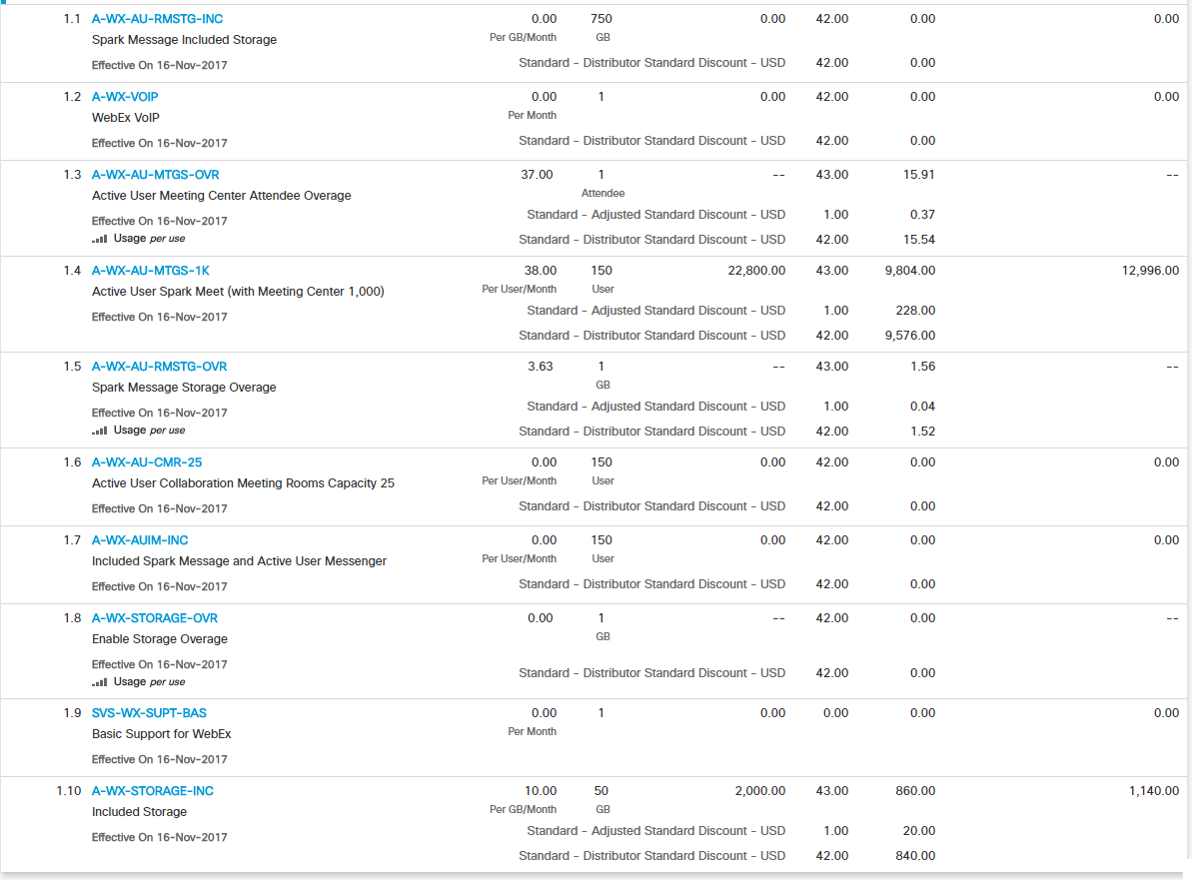

Field | Javascript/ JSON Variable (formatted to 2) | Java Variable | Formula | Matching With UI?
Unit List Price (USD) | listPrice (formatted to decimalExpansionValue) | listPrice | SELECT line_number, part_number, charge_type, rate_table_name, CASE WHEN (rate_table_url IS NULL AND rate_table_name IS NULL) THEN ROUND (list_price, decimal_expansion_value) || ' ' || UNIT_OF_MEASUREMENT WHEN (rate_table_url IS NOT NULL AND rate_table_name IS NOT NULL) THEN rate_table_name END AS "Unit List Price" FROM (SELECT l.object_id, l.part_number, l.list_price, NVL (l.decimal_expansion_value, 2) AS decimal_expansion_value, CASE WHEN ( e.UNIT_OF_MEASUREMENT IS NOT NULL AND e.charge_type = 'Recurring') THEN 'Per ' || e.UNIT_OF_MEASUREMENT || '/Month' WHEN ( e.UNIT_OF_MEASUREMENT IS NOT NULL AND e.charge_type != 'Recurring') THEN 'Per ' || e.UNIT_OF_MEASUREMENT WHEN ( e.UNIT_OF_MEASUREMENT IS NULL AND e.charge_type = 'Recurring') THEN 'Per Month' END AS UNIT_OF_MEASUREMENT, e.rate_table_url, e.rate_table_name, e.charge_type, l.line_number FROM cq_quote_line l, cq_quote_line_extn e WHERE 1 = 1 AND l.object_id = e.quote_line_object_id AND l.active = 1 AND l.ui_hide != 'Y' --AND l.parent_line_object_id = :parent_quote_line_object_id AND l.quote_object_id = :quote_object_id) ORDER BY line_number | Yes
QTY | quantity | quantity | SELECT line_number, part_number, Quantity || ' ' || UNIT_OF_MEASUREMENT AS "QTY" FROM cq_quote_line l, cq_quote_line_extn e WHERE 1 = 1 AND l.object_id = e.quote_line_object_id AND l.active = 1 AND l.ui_hide != 'Y' --AND l.parent_line_object_id = :parent_quote_line_object_id AND l.quote_object_id = :quote_object_id ORDER BY line_number | Yes
Extended List Price (USD) | extendedListPrice | extListPrice | SELECT line_number, part_number, CASE WHEN charge_type != 'Usage' THEN TO_CHAR (ROUND (ext_list_price, 2)) WHEN charge_type = 'Usage' THEN '--' END AS "Extended List Price" FROM cq_quote_line l, cq_quote_line_extn e WHERE 1 = 1 AND l.object_id = e.quote_line_object_id AND l.active = 1 AND l.ui_hide != 'Y' --AND l.parent_line_object_id = :parent_quote_line_object_id AND l.quote_object_id = :quote_object_id ORDER BY line_number | Yes
Total Discount Percentage | totalLineDiscount | totalLineDiscount | SELECT line_number, part_number, ROUND ( (NVL (effective_disc_std, 0) + NVL (nonstandard_disc, 0)) * 100, 2) AS "Total Discount Percentage" FROM cq_quote_line l WHERE 1 = 1 AND l.active = 1 AND l.ui_hide != 'Y' --AND l.parent_line_object_id = :parent_quote_line_object_id AND l.quote_object_id = :quote_object_id ORDER BY line_number | Yes
Total Discount Amount | discountAmount (formatted to decimalExpansionValue) |  | SELECT line_number, part_number, CASE WHEN charge_type = 'Usage' THEN ROUND (unitListPrice * totalLineDiscount, decimal_expansion_value) WHEN ( initial_term IS NOT NULL AND charge_type != 'One-Time' AND charge_type != 'Amortized One Time') THEN ROUND ( ROUND (listPrice * totalLineDiscount, decimal_expansion_value) * quantity * initial_term, 0) ELSE ROUND ( ROUND (listPrice * totalLineDiscount, decimal_expansion_value) * quantity, 2) END AS "Total Discount Amount" FROM (SELECT CASE WHEN (charge_type = 'Usage' AND rate_table_url IS NULL) THEN ROUND (list_price, NVL (decimal_expansion_value, 2)) ELSE ext_list_price / quantity END AS unitListPrice, ROUND ( NVL (effective_disc_std, 0) + NVL (nonstandard_disc, 0), 2) AS totalLineDiscount, quantity, charge_type, line_number, part_number, initial_term, NVL (decimal_expansion_value, 2) decimal_expansion_value, ROUND (list_price, NVL (decimal_expansion_value, 2)) AS listPrice FROM cq_quote_line l, cq_quote_line_extn e WHERE 1 = 1 AND l.object_id = e.quote_line_object_id AND l.active = 1 AND l.ui_hide != 'Y' AND l.is_xaas_sku = 'Y' | Yes
Extended Net Price (USD) | extendedNetPrice | extNetPriceAmtStd | SELECT line_number, part_number, CASE WHEN charge_type != 'Usage' THEN TO_CHAR ( ROUND ( ROUND (EXT_NET_PRICE_AMT_STD, decimal_expansion_value), 2)) WHEN charge_type = 'Usage' THEN '--' END AS "Extended Net Price" FROM cq_quote_line l, cq_quote_line_extn e WHERE 1 = 1 AND l.object_id = e.quote_line_object_id AND l.active = 1 AND l.ui_hide != 'Y' AND l.parent_line_object_id = :parent_quote_line_object_id AND l.quote_object_id = :quote_object_id ORDER BY line_number | Yes

UI
File Type | UI Files | Function
HTML | subscriptionMinorItem.html
Controller | itemsCtrl.js | loadGridData( )
Factory | items.factory.js | getMajorLinesData( )

Java
File Type | Java Files | Function / Service Name
Resource | ChangeSubscriptionItemsResource.java | getMajorLines( )
Service | CSLinesServiceImpl.java | CHANGE_SUBSCRIPTION_LINE_SERVICE

Unit Net Price View
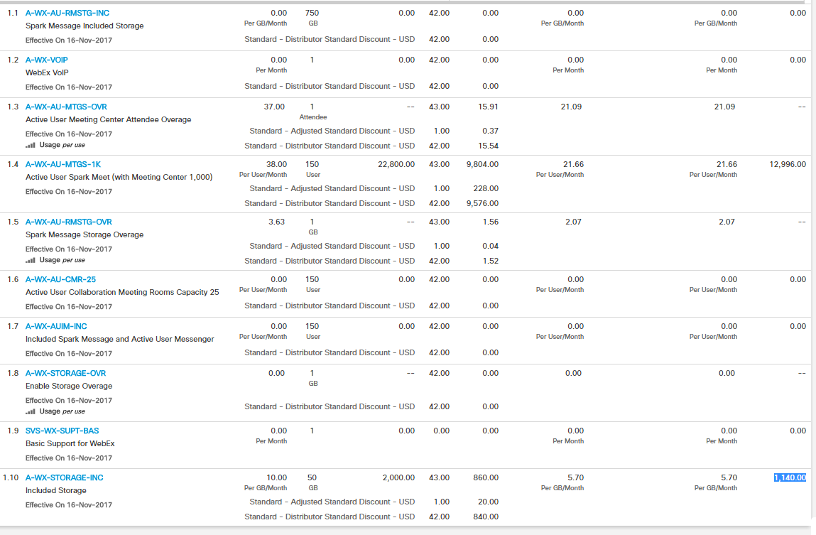

Field | Javascript/ JSON Variable (formatted to 2) | Java Variable | Formula | Matching With UI?
Unit Net Price Before Credits (USD) | unitNetPriceBeforeCredit | unitNetPriceBeforeCredit | SELECT line_number, part_number, ROUND (unitNetPriceBeforeCredit, decimal_expansion_value) || ' ' || UNIT_OF_MEASUREMENT AS "Unit Net Price Before Credits" FROM (SELECT l.object_id, l.part_number, NVL (l.decimal_expansion_value, 2) AS decimal_expansion_value, CASE WHEN ( e.UNIT_OF_MEASUREMENT IS NOT NULL AND e.charge_type = 'Recurring') THEN 'Per ' || e.UNIT_OF_MEASUREMENT || '/Month' WHEN ( e.UNIT_OF_MEASUREMENT IS NOT NULL AND e.charge_type != 'Recurring') THEN 'Per ' || e.UNIT_OF_MEASUREMENT WHEN ( e.UNIT_OF_MEASUREMENT IS NULL AND e.charge_type = 'Recurring') THEN 'Per Month' END AS UNIT_OF_MEASUREMENT, ROUND (UNIT_NET_PRICE_BEFORE_CREDIT, NVL (decimal_expansion_value, 2)) AS unitNetPriceBeforeCredit, l.line_number FROM cq_quote_line l, cq_quote_line_extn e WHERE 1 = 1 AND l.object_id = e.quote_line_object_id AND l.active = 1 AND l.ui_hide != 'Y' AND l.parent_line_object_id = :parent_quote_line_object_id AND l.quote_object_id = :quote_object_id) ORDER BY line_number; | Yes
Unit Net Price After Credits (USD) | unitNetPriceAfterCredit | unitNetPriceAfterCredit | SELECT line_number, part_number, ROUND (unitNetPriceAfterCredit, decimal_expansion_value) || ' ' || UNIT_OF_MEASUREMENT AS "Unit Net Price After Credits" FROM (SELECT l.object_id, l.part_number, NVL (l.decimal_expansion_value, 2) AS decimal_expansion_value, CASE WHEN ( e.UNIT_OF_MEASUREMENT IS NOT NULL AND e.charge_type = 'Recurring') THEN 'Per ' || e.UNIT_OF_MEASUREMENT || '/Month' WHEN ( e.UNIT_OF_MEASUREMENT IS NOT NULL AND e.charge_type != 'Recurring') THEN 'Per ' || e.UNIT_OF_MEASUREMENT WHEN ( e.UNIT_OF_MEASUREMENT IS NULL AND e.charge_type = 'Recurring') THEN 'Per Month' END AS UNIT_OF_MEASUREMENT, CASE WHEN e.UNIT_NET_PRICE IS NOT NULL THEN e.UNIT_NET_PRICE ELSE 0 END AS unitNetPriceAfterCredit, l.line_number FROM cq_quote_line l, cq_quote_line_extn e WHERE 1 = 1 AND l.object_id = e.quote_line_object_id AND l.active = 1 AND l.ui_hide != 'Y' AND l.parent_line_object_id = :parent_quote_line_object_id AND l.quote_object_id = :quote_object_id) ORDER BY line_number | Yes

UI
File Type | UI Files | Function
HTML | subscriptionMinorItem.html
Controller | itemsCtrl.js | loadGridData( )
Factory | items.factory.js | getMajorLinesData( )

Java
File Type | Java Files | Function / Service Name
Resource | ChangeSubscriptionItemsResource.java | getMajorLines( )
Service | CSLinesServiceImpl.java | CHANGE_SUBSCRIPTION_LINE_SERVICE

